Q1
 | 0-1999 | 2000-2999 | 3000-3999 | 4000-4999 | 5000-5999 | 6000-6999 | 7000-7999 | 8000-8999 | 9000-9999 | 10000-10999 | 11000-11999 | 12000-12999 | 13000-13999 | 14000-14999 | >= 15000
A | 3% | 8% | 17% | 14% | 11% | 10% | 8% | 6% | 5% | 4% | 3% | 2% | 2% | 2% | 5%
B | 9% | 12% | 16% | 14% | 10% | 9% | 6% | 5% | 3% | 3% | 2% | 1% | 1% | 1% | 6%
C | 2% | 4% | 9% | 12% | 11% | 10% | 8% | 7% | 6% | 5% | 4% | 3% | 3% | 2% | 13%

INCOME DISTRIBUTION

Q1
The chart shows the household income distribution of the families living in three different neighbourhoods, A, B and C.
Discuss and compare these neighbourhoods using the data available.
E.g. you may comment on the median income, affluence

Q2
 |  | Average Price psf
 |  | QUARTER
 | NAME | 20161 | 20162 | 20163 | 20164 | 20171 | 20172 | 20173 | 20174 | 20181 | 20182 | 20183 | 20184 | 20191 | 20192
 | ASTRA SUITES | 989 | 1,011 | 1,016 | 981 | 1,024 |  | 1,084 | 1,038 | 998 | 885 | 964 | 1,455
 | FLAT JALAN AMAN | 273 | 241 | 189 | 273 |  |  | 228 | 176 |  |  |  | 241 | 209 | 160
 | HARBOURVIEW | 1,104 | 1,117 | 1,005 | 1,162 |  | 1,066 |  |  | 1,221 | 1,267 | 1,332
 | LILY POINT | 552 | 515 | 520 | 585 | 507 | 474 | 456 | 471 | 614 | 470 | 441 | 418
 | RAINBOW APARTMENT | 770 |  | 736 | 892 | 357 |  | 416 | 724 | 826 |  | 882 | 740 | 404

AVERAGE PRICE PSF OVER TIME
 | ASTRA SUITES | FLAT JALAN AMAN | HARBOURVIEW | LILY POINT | RAINBOW APARTMENT
20161 | 989 | 273 | 1,104 | 552 | 770
20162 | 1,011 | 241 | 1,117 | 515
20163 | 1,016 | 189 | 1,005 | 520 | 736
20164 | 981 | 273 | 1,162 | 585 | 892
20171 | 1,024 |  |  | 507 | 357
20172 |  |  | 1,066 | 474
20173 | 1,084 | 228 |  | 456 | 416
20174 | 1,038 | 176 |  | 471 | 724
20181 | 998 |  | 1,221 | 614 | 826
20182 | 885 |  | 1,267 | 470
20183 | 964 |  | 1,332 | 441 | 882
20184 | 1,455 | 241 |  | 418 | 740
20191 |  | 209 |  |  | 404
20192 |  | 160

Q2.1
House prices are known to change over time due to various factors.
The "Q2 data" worksheet is a table of transaction records for five different highrise buildings.
Valuation price refers to the price at which the house is sold, while Built up price psf is the Valuation price divided by the area of the house in sq ft (in the Size built up column).
Quarter refers to the date at which the property is sold (e.g. 20192 means Quarter 2 of 2019).
The chart above shows the average price psf for these highrise buildings over time.
Choose three buildings and compare amongst them based on the price trend chart and the raw data available in the "Q2 data" worksheet.

Q2.2
Plot another price trend that shows the median price psf across time for these three buildings.
You may use any software/method of your choice.
What is the difference between the median and average value of a set of data?

Q2.3
Plot another price trend that shows the median valuation price across time for these three buildings.
You may use any software/method of your choice.
Discuss and compare the three buildings using this chart.

Q3
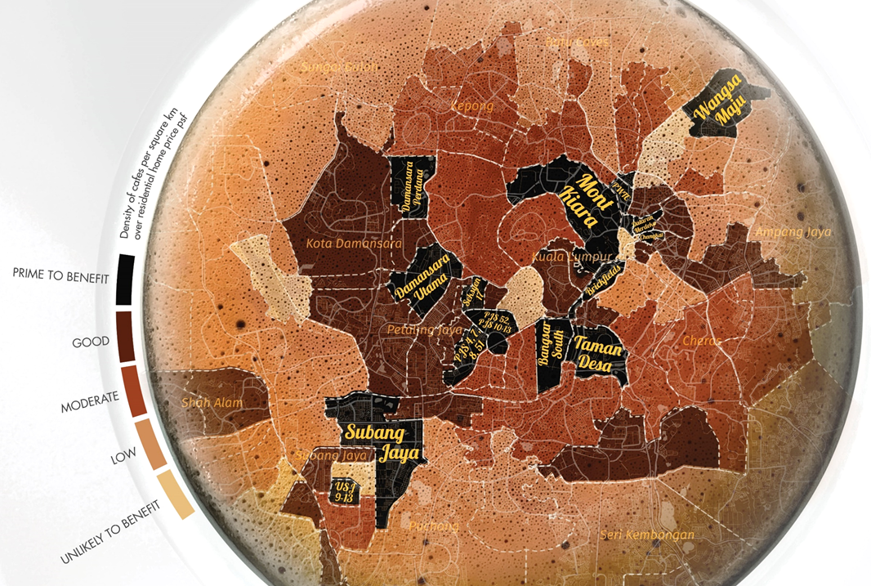
1) | Café Index
 | In the Cafe Index, we examined artisan coffee shops and their impact on housing prices. Urbanmetry's data shows that mushrooming coffee shops offering beverages twice the price of normal meals is a precursor to gentrification and rise in home prices. Please discuss your observations.

 | Answer

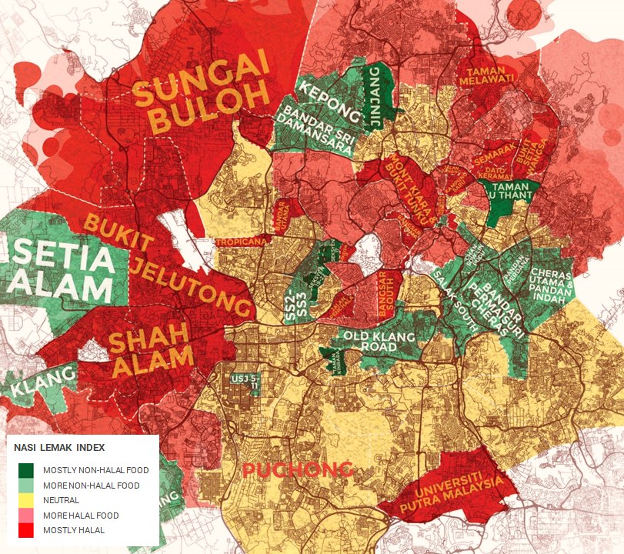
2) | Nasi Lemak Index
 | The Nasi Lemak Index maps out the concentration of halal and non-halal F&B establishments serving meals priced under RM15. Please discuss your observations.

 | Answer

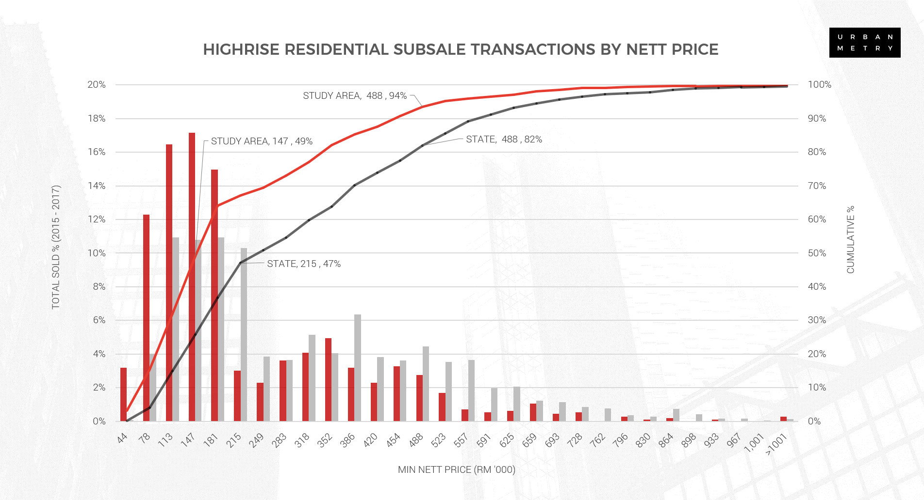
 |  | 3) | Subsale Price Histogram
 |  |  | Please discuss your observations.

 |  |  | Answer

